OLD Sales
2023-08-01 | 8/1/2023 | 8/2/2023 | 8/3/2023 | 8/4/2023 | 8/5/2023 | 8/6/2023 | 8/7/2023 | 8/8/2023 | 8/9/2023 | 8/10/2023 | 8/11/2023 | 8/12/2023 | 8/13/2023 | 8/14/2023 | 8/15/2023 | 8/16/2023 | 8/17/2023 | 8/18/2023 | 8/19/2023 | 8/20/2023 | 8/21/2023 | 8/22/2023 | 8/23/2023 | 8/24/2023 | 8/25/2023 | 8/26/2023 | 8/27/2023 | 8/28/2023 | 8/29/2023 | 8/30/2023 | 8/31/2023
 | TUE | WED | THU | FRI | SAT | SUN | MON | TUE | WED | THU | FRI | SAT | SUN | MON | TUE | WED | THU | FRI | SAT | SUN | MON | TUE | WED | THU | FRI | SAT | SUN | MON | TUE | WED | THU
Weekend Work |  |  |  |  | Peco | Peco |  |  |  |  |  | Peter | Peter | Peter | Peter |  |  |  | Peco | Peco |  |  |  |  |  | Peter | Peter

 | Friendship day |  |  |  | Missing orders in Woo |  |  |  |  |  |  |  |  |  |  |  |  |  |  |  |  |  |  | Amazon Advertising doesn't work
 |  |  |  |  |  | Flash Sale |  |  |  |  |  |  |  |  |  |  |  |  |  |  | Flash Sale

WordPress Revenue | $36,252.25 | $35,161.68 | $32,089.63 | $31,416.03 | $30,135.05 | $41,018.70 | $60,954.59 | $70,805.68 | $86,651.56 | $97,023.15 | $111,029.30 | $99,872.14 | $88,644.64 | $32,533.07 | $22,066.75 | $20,528.89 | $21,111.86 | $22,039.59 | $23,957.86 | $24,823.40 | $48,002.38 | $56,185.47 | $58,336.37 | $53,244.61 | $61,378.18 | $19,223.75 | $19,469.17 | $20,303.78 | $13,247.13 | $19,526.50 | $12,401.87
Amazon Revenue | $0.00 | $0.00 | $0.00 | $279.00 | $837.00 | $837.00 | $1,395.00 | $1,953.00 | $3,816.00 | $5,340.00 | $4,608.00 | $5,913.00 | $4,035.00 | $6,441.00 | $6,999.00 | $7,248.00 | $6,546.00 | $3,447.00 | $4,344.00 | $5,370.00 | $7,452.00 | $7,836.00 | $7,602.00 | $4,329.00 | $4,578.00 | $4,344.00 | $6,471.00 | $5,664.00 | $6,252.00 | $5,121.00 | $5,046.00
Total Revenue | $72,504.50 | $70,323.36 | $64,179.26 | $63,111.06 | $61,107.10 | $82,874.40 | $123,304.18 | $143,564.36 | $177,119.12 | $199,386.30 | $226,666.60 | $205,657.28 | $181,324.28 | $71,507.14 | $51,132.50 | $48,305.78 | $48,769.72 | $47,526.18 | $52,259.72 | $55,016.80 | $103,456.76 | $120,206.94 | $124,274.74 | $110,818.22 | $127,334.36 | $42,791.50 | $45,409.34 | $46,271.56 | $32,746.26 | $44,174.00 | $29,849.74

Wordpress Orders | 118 | 131 | 127 | 101 | 122 | 164 | 249 | 283 | 384 | 425 | 460 | 427 | 426 | 117 | 83 | 93 | 84 | 90 | 88 | 101 | 197 | 235 | 260 | 244 | 258 | 97 | 83 | 79 | 60 | 65 | 58
- Hardware (units sold) | 115 | 117 | 107 | 101 | 96 | 153 | 245 | 294 | 359 | 411 | 468 | 416 | 370 | 101 | 69 | 66 | 65 | 68 | 72 | 77 | 195 | 230 | 249 | 219 | 242 | 67 | 67 | 54 | 47 | 58 | 39
- Add-ons (units sold) | 77 | 67 | 65 | 65 | 101 | 91 | 132 | 141 | 210 | 198 | 206 | 205 | 190 | 88 | 71 | 57 | 66 | 82 | 65 | 71 | 115 | 123 | 112 | 147 | 170 | 66 | 46 | 46 | 24 | 55 | 45
- Merch (units sold) | 0 | 0 | 0 | 0 | 0 | 0 | 0 | 0 | 0 | 0 | 0 | 0 | 0 | 0 | 0 | 0 | 0 | 0 | 0 | 0 | 0 | 0 | 0 | 0 | 0 | 0 | 0 | 0 | 0 | 0 | 0
Amazon Orders | 0 | 0 | 0 | 1 | 3 | 3 | 5 | 8 | 16 | 18 | 18 | 23 | 18 | 23 | 31 | 24 | 19 | 13 | 18 | 26 | 28 | 28 | 26 | 16 | 16 | 17 | 23 | 25 | 20 | 21 | 17
Total Orders | 310 | 315 | 299 | 268 | 322 | 411 | 631 | 726 | 969 | 1052 | 1152 | 1071 | 1004 | 329 | 254 | 240 | 234 | 253 | 243 | 275 | 535 | 616 | 647 | 626 | 686 | 247 | 219 | 204 | 151 | 199 | 159

FB - US & CA | $7,602.07 | $7,061.12 | $7,018.17 | $7,510.88 | $6,628.95 | $7,929.96 | $11,998.99 | $18,962.80 | $25,889.03 | $28,899.22 | $33,450.94 | $38,890.06 | $38,053.21 | $13,892.28 | $9,539.38 | $4,763.03 | $4,963.22 | $6,213.90 | $6,862.17 | $6,517.62 | $12,355.71 | $21,918.32 | $24,633.52 | $23,406.12 | $19,687.81 | $5,273.54 | $5,005.89 | $4,817.84 | $5,015.34 | $4,985.46 | $5,373.98
Google - WW | $2,235.48 | $2,219.47 | $2,021.63 | $2,078.36 | $2,063.81 | $2,272.45 | $2,168.84 | $2,738.19 | $2,471.42 | $1,949.91 | $1,962.91 | $2,089.70 | $2,267.51 | $2,159.52 | $1,802.73 | $1,676.83 | $1,827.22 | $1,800.25 | $1,852.31 | $1,945.05 | $1,738.20 | $2,069.86 | $1,696.53 | $1,773.42 | $1,594.00 | $1,862.06 | $1,633.52 | $1,625.86 | $1,277.96 | $1,365.51 | $1,062.00
Bing - WW | $228.87 | $214.55 | $225.75 | $258.12 | $239.23 | $234.94 | $248.58 | $253.96 | $253.79 | $254.99 | $254.84 | $244.04 | $249.21 | $253.97 | $254.91 | $253.95 | $205.68 | $220.87 | $205.74 | $186.75 | $189.35 | $183.08 | $189.17 | $191.65 | $171.90 | $152.06 | $160.65 | $187.63 | $159.18 | $158.34 | $154.44
TikTok - US & CA | $0.00 | $0.00 | $0.00 | $0.00 | $0.00 | $0.00 | $0.00 | $0.00 | $82.96 | $295.15 | $311.73 | $306.04 | $259.16 | $340.03 | 373.65 | $244.85 | $216.58 | $231.07 | $446.00 | $359.43 | $386.53 | $427.06 | $372.54 | $232.37 | $33.66 | $0.00 | $0.00 | $0.00 | $0.00 | $0.00 | $0.00
Amazon Spend | $0.00 | $0.00 | $0.00 | $0.68 | $27.50 | $101.23 | $143.79 | $321.26 | $439.30 | $543.58 | $1,077.12 | $1,489.74 | $1,555.07 | $1,201.63 | $1,069.50 | $1,204.49 | $1,774.11 | $1,179.41 | $1,556.02 | $1,870.18 | $1,770.86 | $1,609.36 | $702.18 | $0.00 | $152.08 | $0.00 | $0.00 | $0.00 | $0.00 | $0.00 | $102.09
Nextdoor Spend
Affiliate Fees - US | $75.51 | $73.47 | $212.24 | $73.95 | $154.58 | $129.01 | $162.03 | $117.89 | $437.04 | $194.85 | $96.95 | $139.79 | $95.52 | $42.07 | $140.85 | $152.75 | $0.00 | $63.80 | $276.21 | $264.39 | $117.96 | $157.16 | $84.98 | $49.57 | $425.52 | $75.13 | $278.24 | $0.00 | $55.04 | $0.00 | $0.00
Total Web Spend | $10,141.93 | $9,568.61 | $9,477.79 | $9,921.31 | $9,086.57 | $10,566.36 | $14,578.44 | $22,072.84 | $29,134.24 | $31,594.12 | $36,077.37 | $41,669.63 | $40,924.61 | $16,687.87 | $12,807.37 | $7,091.41 | $7,212.70 | $8,529.89 | $9,642.43 | $9,273.24 | $14,787.75 | $24,755.48 | $26,976.74 | $25,653.13 | $21,912.89 | $7,362.79 | $7,078.30 | $6,631.33 | $6,507.52 | $6,509.31 | $6,590.42
Total Spend | $10,141.93 | $9,568.61 | $9,477.79 | $9,921.99 | $9,114.07 | $10,667.59 | $14,722.23 | $22,394.10 | $29,573.54 | $32,137.70 | $37,154.49 | $43,159.37 | $42,479.68 | $17,889.50 | $13,181.02 | $8,295.90 | $8,986.81 | $9,709.30 | $11,198.45 | $11,143.42 | $16,558.61 | $26,364.84 | $27,678.92 | $25,653.13 | $22,064.97 | $7,362.79 | $7,078.30 | $6,631.33 | $6,507.52 | $6,509.31 | $6,692.51

Blended ROAS | 7.15 | 7.35 | 6.77 | 6.36 | 6.70 | 7.77 | 8.38 | 6.41 | 5.99 | 6.20 | 6.10 | 4.77 | 4.27 | 4.00 | 3.88 | 5.82 | 5.43 | 4.89 | 4.67 | 4.94 | 6.25 | 4.56 | 4.49 | 4.32 | 5.77 | 5.81 | 6.42 | 6.98 | 5.03 | 6.79 | 4.46
wROAS | 3.57 | 3.67 | 3.39 | 3.17 | 3.32 | 3.88 | 4.18 | 3.21 | 2.97 | 3.07 | 3.08 | 2.40 | 2.17 | 1.95 | 1.72 | 2.89 | 2.93 | 2.58 | 2.48 | 2.68 | 3.25 | 2.27 | 2.16 | 2.08 | 2.80 | 2.61 | 2.75 | 3.06 | 2.04 | 3.00 | 1.88
aROAS | 0.00 | 0.00 | 0.00 | 410.29 | 30.44 | 8.27 | 9.70 | 6.08 | 8.69 | 9.82 | 4.28 | 3.97 | 2.59 | 5.36 | 6.54 | 6.02 | 3.69 | 2.92 | 2.79 | 2.87 | 4.21 | 4.87 | 10.83 | #DIV/0! | 30.10 | #DIV/0! | #DIV/0! | #DIV/0! | #DIV/0! | #DIV/0! | 49.43

Blended CAC | $32.72 | $30.38 | $31.70 | $37.02 | $28.30 | $25.96 | $23.33 | $30.85 | $30.52 | $30.55 | $32.25 | $40.30 | $42.31 | $54.38 | $51.89 | $34.57 | $38.41 | $38.38 | $46.08 | $40.52 | $30.95 | $42.80 | $42.78 | $40.98 | $32.16 | $29.81 | $32.32 | $32.51 | $43.10 | $32.71 | $42.09
wCAC | $85.95 | $73.04 | $74.63 | $98.23 | $74.48 | $64.43 | $58.55 | $78.00 | $75.87 | $74.34 | $78.43 | $97.59 | $96.07 | $142.63 | $154.31 | $76.25 | $85.87 | $94.78 | $109.57 | $91.81 | $75.06 | $105.34 | $103.76 | $105.14 | $84.93 | $75.91 | $85.28 | $83.94 | $108.46 | $100.14 | $113.63
aCAC |  |  |  | $0.68 | $9.17 | $33.74 | $28.76 | $40.16 | $27.46 | $30.20 | $59.84 | $64.77 | $86.39 | $52.24 | $34.50 | $50.19 | $93.37 | $90.72 | $86.45 | $71.93 | $63.25 | $57.48 | $27.01 | $0.00 | $9.51 | $0.00 | $0.00 | $0.00 | $0.00 | $0.00 | $6.01

Web CR | 1.53% | 1.38% | 1.51% | 1.22% | 1.70% | 1.83% | 2.19% | 1.86% | 2.26% | 2.37% | 2.20% | 1.90% | 1.78% | 0.80% | 0.69% | 1.39% | 1.47% | 1.37% | 1.44% | 1.55% | 2.73% | 1.59% | 1.68% | 1.62% | 2.12% | 1.91% | 1.72% | 1.67% | 1.54% | 1.33% | 1.02%
Web AOV | $307.22 | $268.41 | $252.67 | $311.05 | $247.01 | $250.11 | $244.80 | $250.20 | $225.66 | $228.29 | $241.37 | $233.89 | $208.09 | $278.06 | $265.86 | $220.74 | $251.33 | $244.88 | $272.25 | $245.78 | $243.67 | $239.09 | $224.37 | $218.22 | $237.90 | $198.18 | $234.57 | $257.01 | $220.79 | $300.41 | $213.83
fAOV | $245.07 | $234.57 | $230.94 | $224.83 | $217.39 | $212.11 | $205.45 | $204.67 | $198.91 | $193.85 | $228.00 | $229.00 | $218.00 | $276.00 | $227.01 | $221.79 | $217.29 | $210.09 | $256.02 | $217.42 | $203.49 | $198.85 | $199.72 | $198.26 | $209.07 | $183.77 | $210.47 | $254.50 | $207.73 | $273.46 | $222.46
rAOV | $84.38 | $286.35 | $89.00 | $183.73 | $169.30 | $147.77 | $186.01 | $158.46 | $164.69 | $165.51 | $232.00 | $302.00 | $258.00 | $145.00 | $113.83 | $85.90 | $162.75 | $86.00 | $22.33 | $152.29 | $158.65 | $61.57 | $59.46 | $139.67 | $145.59 | $116.89 | $144.75 | $48.00 | $126.00 | $34.25 | $103.29

Customers
Returning | 6.78% | 3.05% | 7.09% | 2.97% | 7.38% | 9.15% | 4.82% | 5.65% | 1.82% | 3.53% | 0.68% | 0.48% | 0.49% | 0.92% | 7.23% | 10.75% | 9.52% | 5.56% | 6.82% | 6.93% | 7.61% | 6.38% | 3.85% | 5.74% | 4.26% | 13.40% | 9.64% | 2.53% | 8.30% | 6.15% | 12.07%
First-time | 93.22% | 96.95% | 92.91% | 97.03% | 92.62% | 90.85% | 95.18% | 94.35% | 98.18% | 96.47% | 99.32% | 99.52% | 99.51% | 99.08% | 92.77% | 89.25% | 90.48% | 94.44% | 93.18% | 93.07% | 92.39% | 93.62% | 96.15% | 94.26% | 95.74% | 86.60% | 90.36% | 97.47% | 91.70% | 93.85% | 87.93%

Post-purchase Survey
Facebook / Instagram | 44.93% | 35.71% | 38.89% | 34.33% | 46.88% | 38.53% | 48.31% | 51.79% | 60.00% | 53.85% | 61.68% | 56.45% | 61.65% | 34.94% | 33.93% | 30.30% | 35.94% | 43.64% | 26.09% | 36.51% | 49.65% | 53.85% | 53.61% | 47.73% | 50.28% | 38.00% | 22.81% | 12.50% | 28.21% | 31.71% | 28.95%
Friends / Family | 44.93% | 50.00% | 52.22% | 44.78% | 43.75% | 44.04% | 42.70% | 42.56% | 33.46% | 39.16% | 33.02% | 38.33% | 31.20% | 49.40% | 46.43% | 53.03% | 50.00% | 43.64% | 60.87% | 52.38% | 42.55% | 35.50% | 39.69% | 38.07% | 35.75% | 44.00% | 47.37% | 62.50% | 58.97% | 58.54% | 55.26%
TikTok | 1.45% | 3.57% | 2.22% | 1.49% | 3.13% | 1.83% | 2.81% | 1.03% | 0.38% | 0.35% | 0.00% | 1.05% | 1.13% | 0.00% | 3.57% | 3.03% | 3.13% | 1.82% | 0.00% | 1.59% | 0.71% | 2.37% | 0.00% | 1.70% | 0.00% | 0.00% | 5.26% | 3.13% | 2.56% | 0.00% | 0.00%
TV / Radio | 0.00% | 1.19% | 1.11% | 4.48% | 0.00% | 3.67% | 1.12% | 1.03% | 0.00% | 0.35% | 0.93% | 0.35% | 1.13% | 1.20% | 0.00% | 1.52% | 3.13% | 0.00% | 0.00% | 1.59% | 0.71% | 0.00% | 0.00% | 0.00% | 0.56% | 2.00% | 3.51% | 3.13% | 2.56% | 2.44% | 0.00%
Blog / Article | 2.90% | 7.14% | 4.44% | 2.99% | 0.00% | 3.67% | 2.25% | 1.54% | 3.46% | 2.45% | 0.62% | 1.39% | 3.01% | 4.82% | 8.93% | 1.52% | 3.13% | 5.45% | 1.45% | 1.59% | 2.84% | 2.96% | 2.06% | 5.11% | 3.35% | 12.00% | 12.28% | 4.69% | 2.56% | 0.00% | 5.26%
Reddit | 0.00% | 0.00% | 1.11% | 0.00% | 0.00% | 0.92% | 0.00% | 1.03% | 0.38% | 1.40% | 0.31% | 0.35% | 0.38% | 0.00% | 0.00% | 1.52% | 1.56% | 0.00% | 0.00% | 1.59% | 0.00% | 0.59% | 1.03% | 0.57% | 0.56% | 0.00% | 1.75% | 3.13% | 0.00% | 0.00% | 0.00%
Google, Youtube | 5.80% | 2.38% | 0.00% | 11.94% | 6.25% | 7.34% | 2.81% | 1.03% | 2.31% | 2.45% | 3.43% | 1.74% | 1.50% | 9.64% | 7.14% | 9.09% | 3.13% | 5.45% | 10.14% | 4.76% | 3.55% | 4.14% | 3.61% | 6.25% | 8.38% | 4.00% | 7.02% | 9.38% | 5.13% | 7.32% | 10.53%
Yahoo, Bing | 0.00% | 0.00% | 0.00% | 0.00% | 0.00% | 0.00% | 0.00% | 0.00% | 0.00% | 0.00% | 0.00% | 0.35% | 0.00% | 0.00% | 0.00% | 0.00% | 0.00% | 0.00% | 1.45% | 0.00% | 0.00% | 0.59% | 0.00% | 0.57% | 1.12% | 0.00% | 0.00% | 1.56% | 0.00% | 0.00% | 0.00%

 | 2023-08-01 | Goal | % of Goal
Revenue | $2,843,123.32 | $1,400,000 | 203.08%
Spend | $520,019.72 | $560,000 | 92.86%
ROAS | 5.47 | 2.50 | 218.69%
CAC | $35.43
CR | 1.68%
AOV | $194.11
fAOV | $220.26
rAOV | $141.00
Orders | 14,647
Units Sold | 5,689 | 5400 | 105.35%
CAC per Unit | $91.41
First-time customers | 94.35%
Returning customers | 5.65%

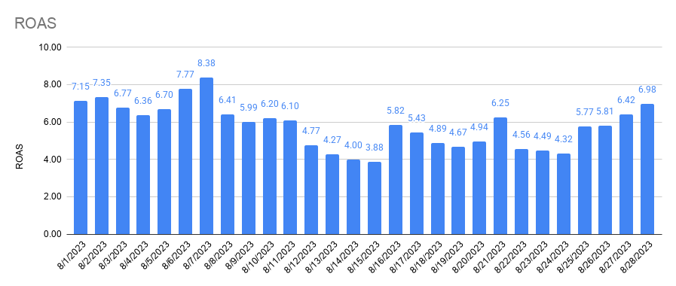
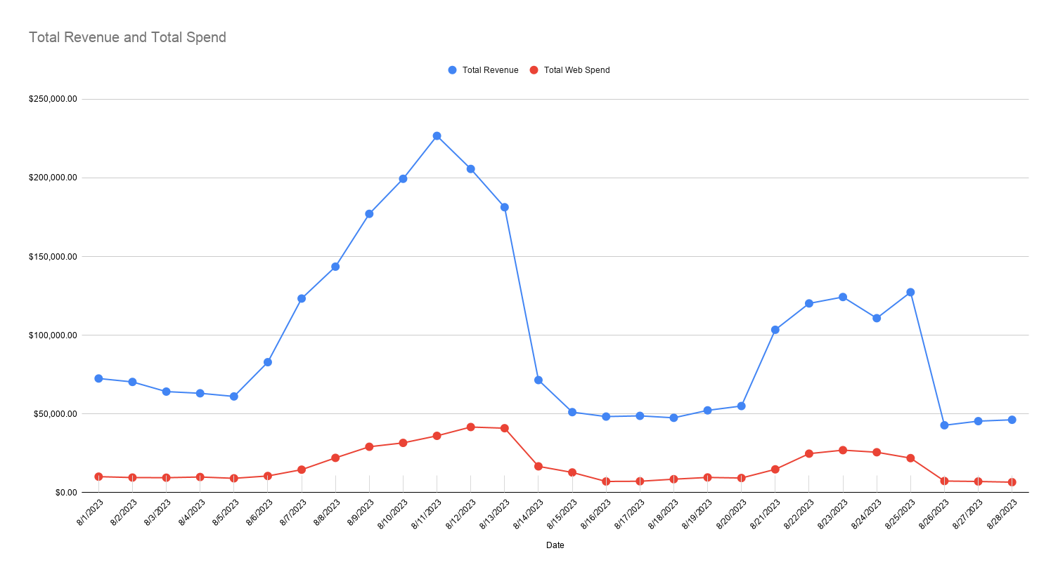

Total Revenue and Total Spend

Returning and First-time Customers
Amazon Performance

Amazon Performance

